Maths
 | AP3 Raw | AP3 Scaled Score | Year 6 Target | Class
Marchant, Matthew | 102 | 113 | 118 | Meerkats
Bishop, Zac | 102 | 113 | 118 | Meerkats
Roper, Mason | 98 | 111 | 115 | Meerkats
Keed, Leah | 98 | 111 | 115 | Meerkats
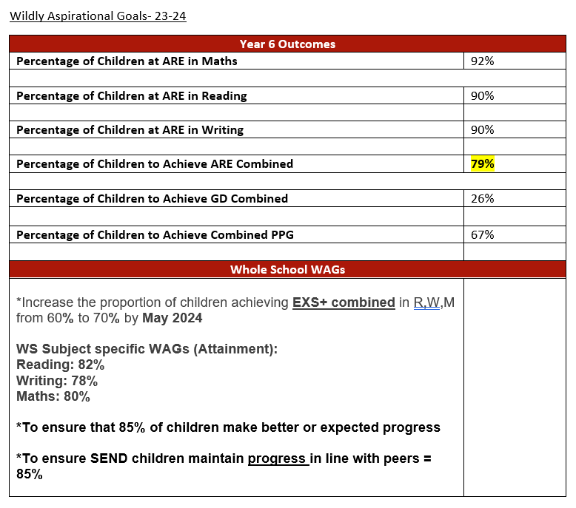
Sene Pereira, Davi | 95 | 110 | 114 | Meerkats
Howard, Kaiden | 92 | 109 | 113 | Meerkats
Zolkiewicz, Adi | 93 | 109 | 114 | Meerkats
Bincliffe, Bea | 94 | 109 | 114 | Meerkats
Bannister, Evie | 88 | 107 | 111 | Meerkats
Inskipp, Owen | 87 | 107 | 111 | Meerkats
Roberts, Isla | 88 | 107 | 111 | Meerkats
Taylor, Max | 86 | 107 | 111 | Meerkats
Madu, Sinachi | 83 | 106 | 110 | Meerkats
Geyik, Seyitriza | 78 | 105 | 110 | Meerkats
Hatton, Kaitlyn | 77 | 104 | 108 | Meerkats
Hodges, Megan | 76 | 104 | 108 | Meerkats
Knight, Florence | 76 | 104 | 108 | Meerkats
Makin, Lucca | 76 | 104 | 108 | Meerkats
Smart, Indigo | 74 | 103 | 108 | Meerkats
Steptoe, Owen | 73 | 103 | 108 | Meerkats
Fogget, Blyss | 72 | 103 | 107 | Meerkats
Harding, Lucas | 71 | 103 | 107 | Meerkats
Short, Benjamin | 73 | 103 | 107 | Meerkats
Spriggle, Emeli | 73 | 103 | 107 | Meerkats
Austin, Jayden | 70 | 102 | 105 | Meerkats
Castle, Lilah | 68 | 102 | 106 | Meerkats
O'Reilly, Billy | 70 | 102 | 106 | Meerkats
Rawlings, Harry | 68 | 102 | 106 | Meerkats
Clark, Bethany | 64 | 101 | 105 | Meerkats
Newell, Scarlett Lilly | 62 | 101 | 105 | Chameleons
Bradley, George | 59 | 100 | 104 | Chameleons
Newell, Ellie-Mae | 56 | 99 | 103 | Chameleons
Holloway, Zack | 54 | 99 | 103 | Chameleons
Potter, Olivia | 56 | 99 | 103 | Chameleons
Cooke, Ollie | 53 | 98 | 102 | Chameleons
Hutt, Millie | 53 | 98 | 103 | Chameleons
Middleton, Evelyn | 50 | 98 | 102 | Chameleons
Russell, Jasmine | 52 | 98 | 102 | Chameleons
McLoughlin, Nancy | 52 | 98 | 102 | Chameleons
Parker, Charis | 51 | 98 | 102 | Chameleons
Aidi, Soufiane | 46 | 97 | 102 | Chameleons
Clifford, Alex | 48 | 97 | 101 | Chameleons
Mendis, Thomas | 46 | 97 | 101 | Chameleons
Musteqja, Siena | 48 | 97 | 101 | Chameleons
Nilam, Nevaeh | 47 | 97 | 101 | Chameleons
West, Harry | 46 | 97 | 101 | Chameleons
Messenger, Jasper | 44 | 96 | 100 | Chameleons
Whyte-Ramsey, Keon | 44 | 96 | 100 | Chameleons
Bowers, Florence | 44 | 96 | 100 | Chameleons
Isle, Emily | 44 | 96 | 100 | Chameleons
Whapshott, Noah | 44 | 96 | 100 | Chameleons
Long, Rafe | 40 | 95 | 100 | Chameleons
Rafferty, Harmony | 31 | 92 | 100 | Chameleons
Hamilton, Ruby | 27 | 91 | 100 | Chameleons
Richards, Thea | 23 | 90 | 96 | Chameleons
Lyford, Lexi | 22 | 89 | 98 | Chameleons
Edmunds, Patrick | 5 | 80 | 90 | Chameleons
Tucker, Charlie | N/A | 80 | 90 | Chameleons
Hayes, Bolton | N/A | 80 | 90 | Chameleons

